tab
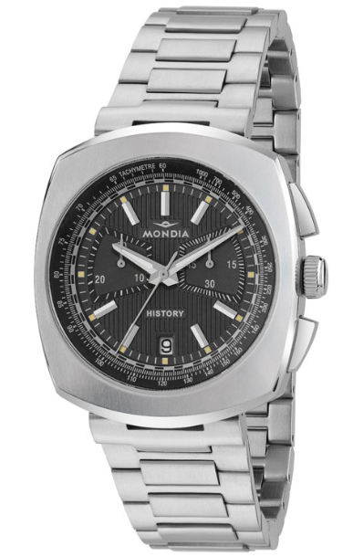
 | Brand | EAN | Model | Description | factuur | Retail
 | MONDIA | 8056734579789 | MH-001-SS-BK-CP | MONDIA U HISTORY PARADE AUTOMATIC 42MM quad Black and grey, Black Strap | 16 | 494.00 €
 | MONDIA | 8056734579970 | MH-002-SS-BK-CM | MONDIA U HISTORY CONCEPT CHRONO 40MM quad Black and Steel | 95 | 480.00 €
 | MONDIA | 8056734579987 | MH-002-SS-SL-CM | MONDIA U HISTORY CONCEPT CHRONO 40MM quad Silver and Steel | 70 | 480.00 €
 | MONDIA | 8057587288538 | MH-003-SS-BK-CM | MONDIA U HISTORY CONCEPT AUTOMATIC 40MM quad Black and Steel | 77 | 540.00 €
 | MONDIA | 8057587288545 | MH-003-SS-SL-CM | MONDIA U HISTORY CONCEPT AUTOMATIC 40MM quad Silver and Steel | 72 | 540.00 € | 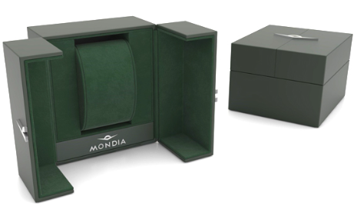
 | MONDIA | 8056734579819 | MH-004-SS-RD-CM | MONDIA U HISTORY TOP SECOND AUTOMATIC 37,5x38MM quad Red and Steel | 13 | 499.00 €
 | MONDIA | 8057587288576 | MI-6564-SS-SLAR-CP | MONDIA U IT MADISON CLASSIC CHRONO 43MM quad White, Black Strap 5 w Brown Strap, 12 w Blue Strap | 62 | 266.00 €
 | MONDIA | 8056734578027 | MI-800-BK-03BK-CP | MONDIA U IT BOLIDE CHRONO 42MM quad Black w Brown Strap | 26 | 380.00 €
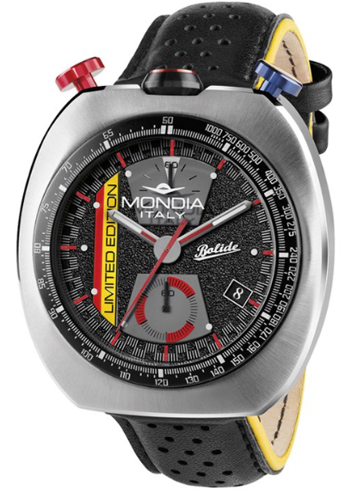 | MONDIA | 8056734579079 | MI-814-SS-BK-CP | MONDIA U IT BOLIDE CHRONO 43MM quad Black w Black Strap | 39 | 450.00 €
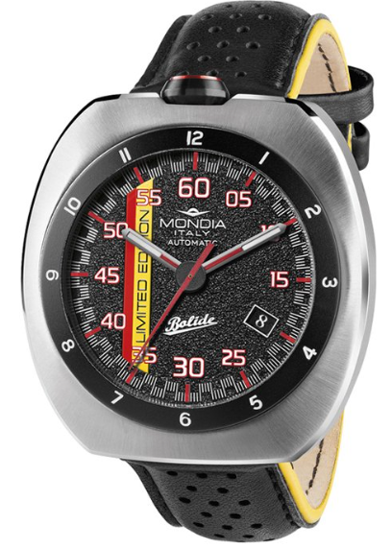 | MONDIA | 8056734579093 | MI-815-SS-BK-CP | MONDIA U IT BOLIDE AUTOMATIC 43MM quad Black w Black Strap 1 with white Face | 46 | 490.00 €
 | MONDIA | 8056734579161 | MI-823-SS-BK-CM | MONDIA U IT HERITAGE 1946 AUTOMATIC 40MM quad Black and Steel | 27 | 475.00 €
 | MONDIA | 8056734579192 | MI-823-SS-SL-CP | MONDIA U IT HERITAGE 1946 AUTOMATIC 40MM quad White w Brown Strap | 27 | 475.00 €
 |  |  |  |  | 570

